PointLocations
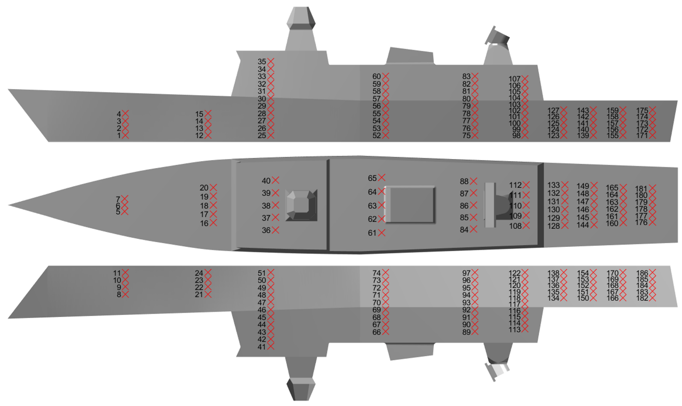
Ref. No. | Pressure Tap Location (mm); 1:200 Model-scale; Relative to bow origin (description in README.txt)
 | x | y | z
1 | 86.9 | -20.5 | 8.0
2 | 86.9 | -23.0 | 16.0
3 | 86.9 | -25.5 | 24.0
4 | 86.9 | -27.9 | 32.0
5 | 82.9 | -7.0 | 55.2
6 | 82.9 | 0.0 | 55.2
7 | 82.9 | 7.0 | 55.2
8 | 86.9 | 27.9 | 32.0
9 | 86.9 | 25.5 | 24.0
10 | 86.9 | 23.0 | 16.0
11 | 86.9 | 20.5 | 8.0
12 | 178.9 | -40.1 | 8.0
13 | 178.9 | -41.9 | 16.0
14 | 178.9 | -43.6 | 24.0
15 | 178.9 | -45.4 | 32.0
16 | 182.9 | -20.0 | 51.9
17 | 182.9 | -10.0 | 51.9
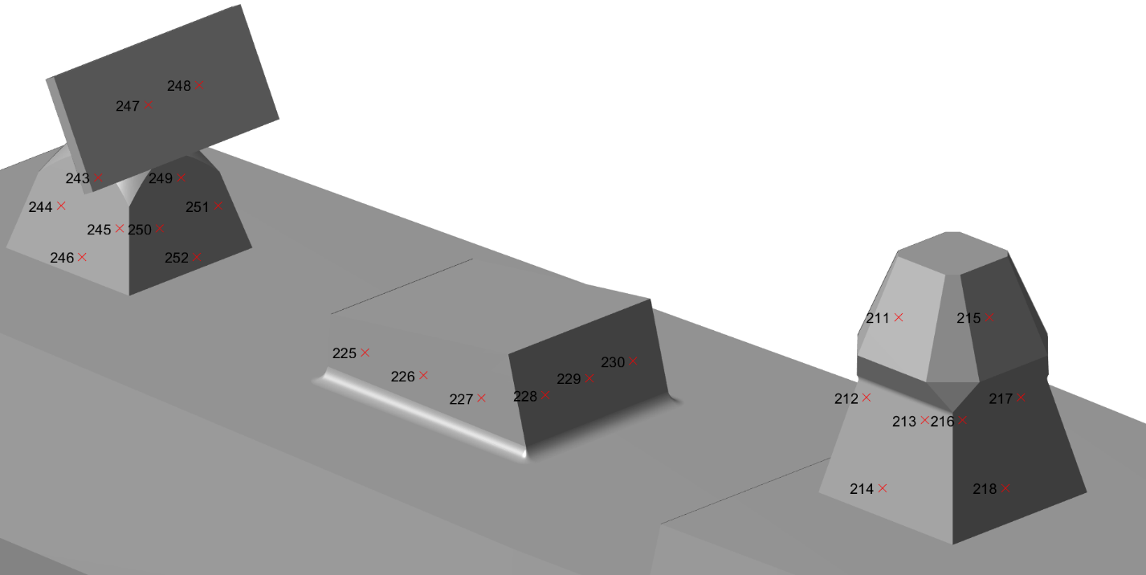
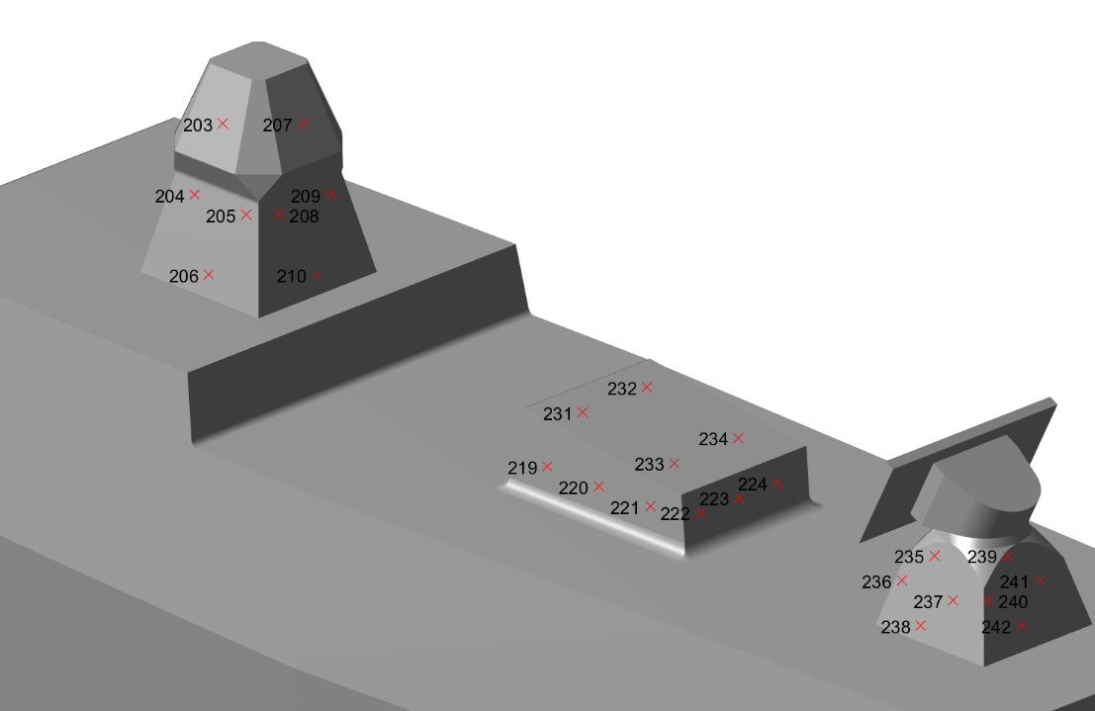
18 | 182.9 | 0.0 | 51.9
19 | 182.9 | 10.0 | 51.9
20 | 182.9 | 20.0 | 51.9
21 | 178.9 | 45.4 | 32.0
22 | 178.9 | 43.6 | 24.0
23 | 178.9 | 41.9 | 16.0
24 | 178.9 | 40.1 | 8.0
25 | 248.9 | -46.6 | 8.0
26 | 248.9 | -47.9 | 16.3
27 | 248.9 | -49.2 | 24.5
28 | 248.9 | -50.6 | 32.8
29 | 248.9 | -51.9 | 41.0
30 | 248.9 | -53.2 | 49.3
31 | 248.9 | -52.6 | 57.5
32 | 248.9 | -51.8 | 65.8
33 | 248.9 | -51.1 | 74.0
34 | 248.9 | -50.4 | 82.3
35 | 248.9 | -49.7 | 90.5
36 | 252.9 | -28.0 | 102.3
37 | 252.9 | -14.0 | 102.3
38 | 252.9 | 0.0 | 102.3
39 | 252.9 | 14.0 | 102.3
40 | 252.9 | 28.0 | 102.3
41 | 248.9 | 49.7 | 90.5
42 | 248.9 | 50.4 | 82.3
43 | 248.9 | 51.1 | 74.0
44 | 248.9 | 51.8 | 65.8
45 | 248.9 | 52.6 | 57.5
46 | 248.9 | 53.2 | 49.3
47 | 248.9 | 51.9 | 41.0
48 | 248.9 | 50.6 | 32.8
49 | 248.9 | 49.2 | 24.5
50 | 248.9 | 47.9 | 16.3
51 | 248.9 | 46.6 | 8.0
52 | 376.9 | -48.1 | 8.0
53 | 376.9 | -49.4 | 16.3
54 | 376.9 | -50.7 | 24.5
55 | 376.9 | -52.1 | 32.8
56 | 376.9 | -53.4 | 41.0
57 | 376.9 | -54.0 | 49.3
58 | 376.9 | -53.3 | 57.5
59 | 376.9 | -52.5 | 65.8
60 | 376.9 | -51.8 | 74.0
61 | 372.9 | -31.0 | 86.4
62 | 372.9 | -15.5 | 86.4
63 | 372.9 | 0.0 | 86.4
64 | 372.9 | 15.5 | 86.4
65 | 372.9 | 31.0 | 86.4
66 | 376.9 | 51.8 | 74.0
67 | 376.9 | 52.5 | 65.8
68 | 376.9 | 53.3 | 57.5
69 | 376.9 | 54.0 | 49.3
70 | 376.9 | 53.4 | 41.0
71 | 376.9 | 52.1 | 32.8
72 | 376.9 | 50.7 | 24.5
73 | 376.9 | 49.4 | 16.3
74 | 376.9 | 48.1 | 8.0
75 | 476.9 | -44.4 | 8.0
76 | 476.9 | -45.7 | 16.3
77 | 476.9 | -47.0 | 24.5
78 | 476.9 | -48.3 | 32.8
79 | 476.9 | -49.7 | 41.0
80 | 476.9 | -50.3 | 49.3
81 | 476.9 | -49.5 | 57.5
82 | 476.9 | -48.8 | 65.8
83 | 476.9 | -48.1 | 74.0
84 | 476.9 | -27.0 | 86.4
85 | 476.9 | -13.5 | 86.4
86 | 476.9 | 0.0 | 86.4
87 | 476.9 | 13.5 | 86.4
88 | 476.9 | 27.0 | 86.4
89 | 476.9 | 48.1 | 74.0
90 | 476.9 | 48.8 | 65.8
91 | 476.9 | 49.5 | 57.5
92 | 476.9 | 50.3 | 49.3
93 | 476.9 | 49.7 | 41.0
94 | 476.9 | 48.3 | 32.8
95 | 476.9 | 47.0 | 24.5
96 | 476.9 | 45.7 | 16.3
97 | 476.9 | 44.4 | 8.0
98 | 532.5 | -42.3 | 8.0
99 | 532.5 | -43.4 | 15.0
100 | 532.5 | -44.5 | 22.0
101 | 532.5 | -45.7 | 29.0
102 | 532.5 | -46.8 | 36.0
103 | 532.5 | -47.9 | 43.0
104 | 532.5 | -48.1 | 50.0
105 | 532.5 | -47.5 | 57.0
106 | 532.5 | -46.9 | 64.0
107 | 532.5 | -46.3 | 71.0
108 | 536.5 | -23.0 | 86.4
109 | 536.5 | -11.5 | 86.4
110 | 536.5 | 0.0 | 86.4
111 | 536.5 | 11.5 | 86.4
112 | 536.5 | 23.0 | 86.4
113 | 532.5 | 46.3 | 71.0
114 | 532.5 | 46.9 | 64.0
115 | 532.5 | 47.5 | 57.0
116 | 532.5 | 48.1 | 50.0
117 | 532.5 | 47.9 | 43.0
118 | 532.5 | 46.8 | 36.0
119 | 532.5 | 45.7 | 29.0
120 | 532.5 | 44.5 | 22.0
121 | 532.5 | 43.4 | 15.0
122 | 532.5 | 42.3 | 8.0
123 | 575.9 | -40.7 | 8.0
124 | 575.9 | -41.8 | 15.0
125 | 575.9 | -42.9 | 22.0
126 | 575.9 | -44.1 | 29.0
127 | 575.9 | -45.2 | 36.0
128 | 579.9 | -23.0 | 46.4
129 | 579.9 | -13.8 | 46.4
130 | 579.9 | -4.6 | 46.4
131 | 579.9 | 4.6 | 46.4
132 | 579.9 | 13.8 | 46.4
133 | 579.9 | 23.0 | 46.4
134 | 575.9 | 45.2 | 36.0
135 | 575.9 | 44.1 | 29.0
136 | 575.9 | 42.9 | 22.0
137 | 575.9 | 41.8 | 15.0
138 | 575.9 | 40.7 | 8.0
139 | 608.9 | -39.5 | 8.0
140 | 608.9 | -40.6 | 15.0
141 | 608.9 | -41.7 | 22.0
142 | 608.9 | -42.8 | 29.0
143 | 608.9 | -43.9 | 36.0
144 | 612.9 | -22.0 | 46.4
145 | 612.9 | -13.2 | 46.4
146 | 612.9 | -4.4 | 46.4
147 | 612.9 | 4.4 | 46.4
148 | 612.9 | 13.2 | 46.4
149 | 612.9 | 22.0 | 46.4
150 | 608.9 | 43.9 | 36.0
151 | 608.9 | 42.8 | 29.0
152 | 608.9 | 41.7 | 22.0
153 | 608.9 | 40.6 | 15.0
154 | 608.9 | 39.5 | 8.0
155 | 641.9 | -38.2 | 8.0
156 | 641.9 | -39.4 | 15.0
157 | 641.9 | -40.5 | 22.0
158 | 641.9 | -41.6 | 29.0
159 | 641.9 | -42.7 | 36.0
160 | 645.9 | -20.0 | 46.4
161 | 645.9 | -12.0 | 46.4
162 | 645.9 | -4.0 | 46.4
163 | 645.9 | 4.0 | 46.4
164 | 645.9 | 12.0 | 46.4
165 | 645.9 | 20.0 | 46.4
166 | 641.9 | 42.7 | 36.0
167 | 641.9 | 41.6 | 29.0
168 | 641.9 | 40.5 | 22.0
169 | 641.9 | 39.4 | 15.0
170 | 641.9 | 38.2 | 8.0
171 | 674.9 | -37.0 | 8.0
172 | 674.9 | -38.1 | 15.0
173 | 674.9 | -39.2 | 22.0
174 | 674.9 | -40.4 | 29.0
175 | 674.9 | -41.5 | 36.0
176 | 678.9 | -19.0 | 46.4
177 | 678.9 | -11.4 | 46.4
178 | 678.9 | -3.8 | 46.4
179 | 678.9 | 3.8 | 46.4
180 | 678.9 | 11.4 | 46.4
181 | 678.9 | 19.0 | 46.4
182 | 674.9 | 41.5 | 36.0
183 | 674.9 | 40.4 | 29.0
184 | 674.9 | 39.2 | 22.0
185 | 674.9 | 38.1 | 15.0
186 | 674.9 | 37.0 | 8.0
187 | 549.5 | -25.0 | 74.6
188 | 549.5 | -12.5 | 74.6
189 | 549.5 | 0.0 | 74.6
190 | 549.5 | 12.5 | 74.6
191 | 549.5 | 25.0 | 74.6
192 | 552.3 | -25.0 | 58.7
193 | 552.3 | -12.5 | 58.7
194 | 552.3 | 0.0 | 58.7
195 | 552.3 | 12.5 | 58.7
196 | 552.3 | 25.0 | 58.7
197 | 701.7 | -16.0 | 31.0
198 | 701.7 | 0.0 | 31.0
199 | 701.7 | 16.0 | 31.0
200 | 697.5 | -16.0 | 7.9
201 | 697.5 | 0.0 | 7.9
202 | 697.5 | 16.0 | 7.9
203 | 282.9 | -12.4 | 141.8
204 | 274.9 | -13.2 | 122.8
205 | 290.9 | -13.2 | 122.8
206 | 282.9 | -16.9 | 107.2
207 | 295.3 | 0.0 | 141.8
208 | 296.1 | -8.0 | 122.8
209 | 296.1 | 8.0 | 122.8
210 | 299.7 | 0.0 | 107.2
211 | 282.9 | 12.4 | 141.8
212 | 290.9 | 13.2 | 122.8
213 | 274.9 | 13.2 | 122.8
214 | 282.9 | 16.9 | 107.2
215 | 270.4 | 0.0 | 141.8
216 | 269.6 | 8.0 | 122.8
217 | 269.6 | -8.0 | 122.8
218 | 266.0 | 0.0 | 107.2
219 | 390.6 | -19.1 | 94.4
220 | 406.6 | -19.1 | 94.4
221 | 422.6 | -19.1 | 94.4
222 | 431.3 | -12.0 | 93.4
223 | 431.3 | 0.0 | 93.4
224 | 431.3 | 12.0 | 93.4
225 | 422.6 | 19.1 | 94.4
226 | 406.6 | 19.1 | 94.4
227 | 390.6 | 19.1 | 94.4
228 | 380.1 | 12.0 | 96.1
229 | 380.1 | 0.0 | 96.1
230 | 380.1 | -12.0 | 96.1
231 | 392.6 | -10.0 | 105.2
232 | 392.6 | 10.0 | 105.2
233 | 421.1 | -10.0 | 101.7
234 | 421.1 | 10.0 | 101.7
235 | 503.5 | -11.4 | 104.7
236 | 495.5 | -13.5 | 97.0
237 | 511.5 | -13.5 | 97.0
238 | 503.5 | -15.7 | 89.3
239 | 514.9 | 0.0 | 104.7
240 | 517.0 | -8.0 | 97.0
241 | 517.0 | 8.0 | 97.0
242 | 519.2 | 0.0 | 89.3
243 | 503.5 | 11.4 | 104.7
244 | 511.5 | 13.5 | 97.0
245 | 495.5 | 13.5 | 97.0
246 | 503.5 | 15.7 | 89.3
247 | 494.1 | 7.0 | 121.5
248 | 494.1 | -7.0 | 121.5
249 | 492.1 | 0.0 | 104.7
250 | 490.0 | 8.0 | 97.0
251 | 490.0 | -8.0 | 97.0
252 | 487.8 | 0.0 | 89.3

